ORDER FORM 2026
ORDER FORM | Please include the exact quantity required for each item. Once filled out, send it to: victoria@soapforhopecanada.ca |  |  |  |  | Date: |  | FOR ADMIN USE ONLY
Organization: |  |  |  |  |  | 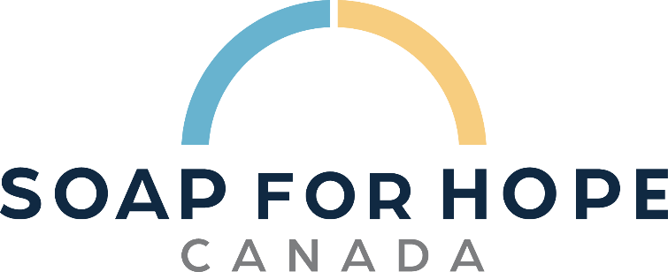 |  | SKID
Contact Name:
Phone:
Email:
Address:
City : |  |  | Postal Code:
Have you completed our Survey? |  | YES | FALSE | NO | FALSE | If not please go to: | https://form-can.keela.co/survey
REPURPOSED HYGIENE PRODUCTS AT NO CHARGE
Hotel Size (30-50 mL) |  | Quantity | Value |  | Total | Unfulfilled | Received
Shampoo |  |  | $0.50 |  | $-
Conditioner |  |  | $0.50 |  | $-
Body Wash |  |  | $0.50 |  | $-
Lotion |  |  | $0.50 |  | $-
Soap |  |  | $0.50 |  | $-
Hygiene Kit: 5 Hotel Size Toiletries |  |  | $3.50 |  | $-
Family Size (200-500 mL) |  | Quantity | Value |  | Total | Unfulfilled | Received
Shampoo |  |  | $3.00 |  | $-
Conditioner |  |  | $3.00 |  | $-
Body Wash |  |  | $3.00 |  | $-
Lotion |  |  | $4.00 |  | $-
Soap |  |  | $1.00 |  | $-
Total Hygiene Value at no charge |  |  |  |  | $-
REPURPOSED LINENS AT NO CHARGE
Item |  | Quantity | Value |  | Total | Unfulfilled | Received
Bath Towels |  |  | $6.00 |  | $-
Hand Towels |  |  | $4.00 |  | $-
Facecloths |  |  | $2.00 |  | $-
Blankets |  |  | $10.00 |  | $-
Duvet |  |  | $15.00 |  | $-
Duvet Cover |  |  | $10.00 |  | $-
Flat Sheets - Queen size |  |  | $5.00 |  | $-
Fitted Sheets - Queen size |  |  | $5.00 |  | $-
Mattress Covers |  |  | $5.00 |  | $-
Pillowcases |  |  | $2.00 |  | $-
Pillows |  |  | $5.00 |  | $-
Robes |  |  | $10.00 |  | $-
Shower Curtains |  |  | $5.00 |  | $-
Bath Matts |  |  | $5.00 |  | $-
Kleenex |  |  | $1.00 |  | $-
Toilet Paper (box of 20) |  |  | $5.00 |  | $-
Total Linens Value at no charge |  |  |  |  | $-
PRODUCTS CONTINGENT ON DONATIONS
Item |  | Quantity | Value |  | Total | Unfulfilled | Received
Feminine Pads (Pkg) |  |  | $5.00 |  | $-
Tampons (Pkg) |  |  | $5.00 |  | $-
Liners (Pkg) |  |  | $5.00 |  | $-
Incontinence Products (Pkg) |  |  | $10.00 |  | $-
Laundry Soap (Pkg) |  |  | $5.00 |  | $-
Total Products Contingent On Donations Value at no charge |  |  |  |  | $-
NON REPURPOSED HYGIENE PRODUCTS
Do you have a budget for these items? |  | YES | FALSE | NO | FALSE
Item | Quantity |  | Cost |  | Total | Unfulfilled | Received | Declined
Brush |  |  | $2.00 |  | $-
Chapstick |  |  | $1.00 |  | $-
Comb |  |  | $0.50 |  | $-
Dental Floss |  |  | $0.50 |  | $-
Deodorant | Male | Female |  | $2.50 | $-

Nail Clippers |  |  | $2.00 |  | $-
Razors |  |  | $0.50 |  | $-
Toothbrush | Adults | Kids (No Charge) |  | $0.50 | $-

Toothpaste | Individual (18-20 ml) |  | $0.60 |  | $-
 | Family size (75-90 ml) |  | $2.50 |  | $-
Total Purchased products |  |  |  |  | $- | www.soapforhopecanada.ca
Value of Items Received at No Charge |  |  |  |  | $-
Administrative Fee |  |  |  |  | $-
Total Owing |  |  |  |  | $-

