CargoBox
Order List / Sipariş Listesi |  |  |  | OEM GROUP | N/A
 |  |  |  | DOCUMENT CODE | FRS.05.04.02.01
 |  |  |  | REVISION NO | 1
 |  |  |  | REVISION DATE | 17/06/2023
 |  |  |  | PRODUCT CATEGORY | CARGO BOX
# | PRODUCT ID | SKU | DESCRIPTION |  | QTY | IMAGE
 | ÜRÜN NO | STOK NO | AÇIKLAMA |  | SİPARİŞ | GÖRSEL
 | PSN CargoBox
1 | 8684068032368 | PSNCM310GB | M1 ONE-SIDE / 310L / GLOSSY BLACK |  |  | 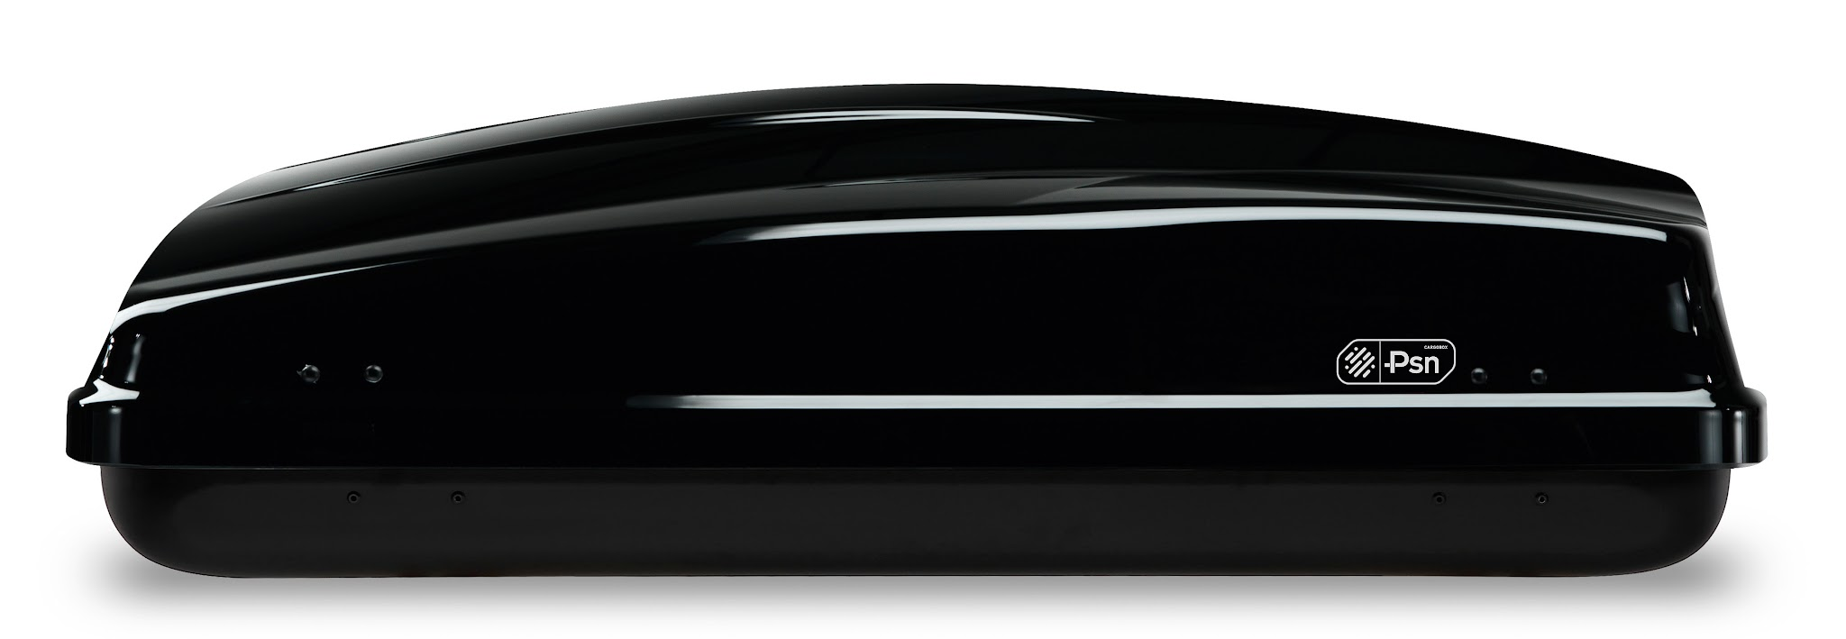
2 | 8684068032375 | PSNCM370MG | M2 DOUBLE-SIDE / 370L / MATT GREY / QUICK ATTACHMENT |  |  | 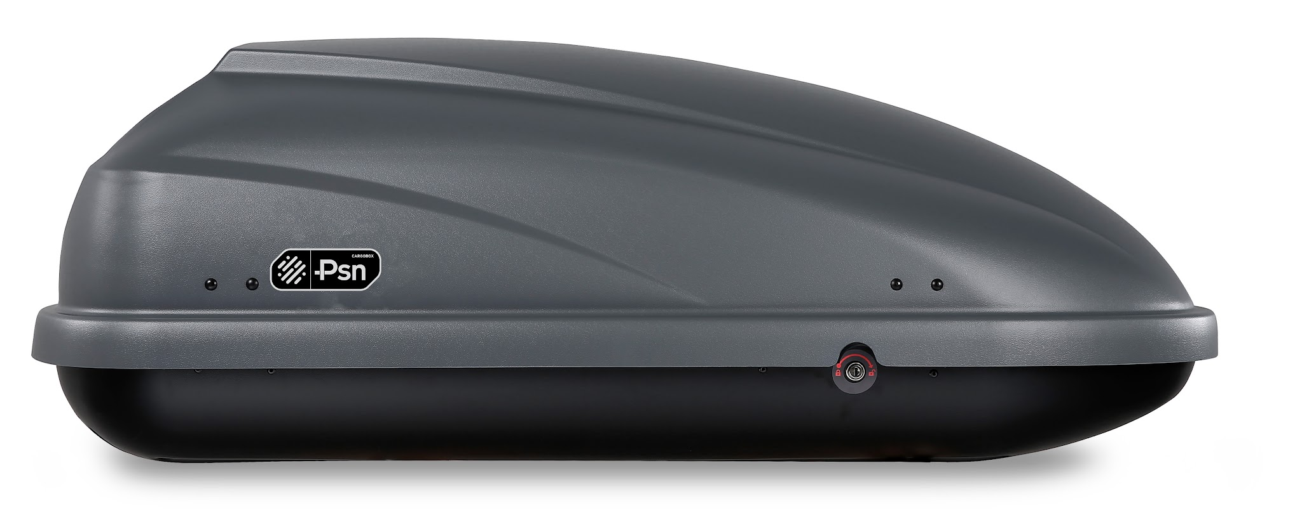
3 | 8684068032382 | PSNCM460MG | M2 DOUBLE-SIDE / 460L / MATT GREY / QUICK ATTACHMENT |  |  | 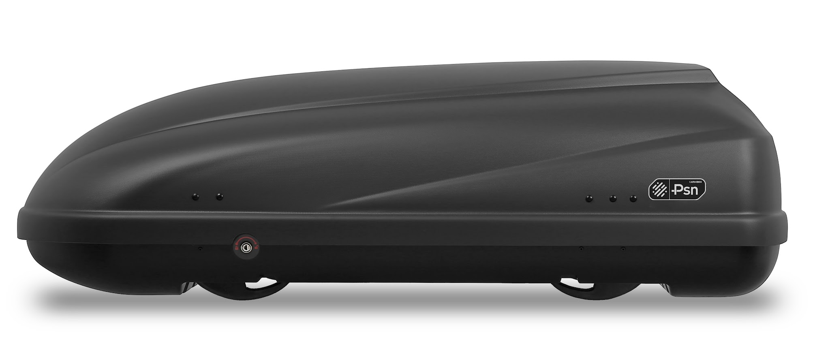
4 | 8684068032399 | PSNCM460GB | M1 ONE-SIDE / 460L / GLOSSY BLACK |  |  | 